Test Cases - Funtional
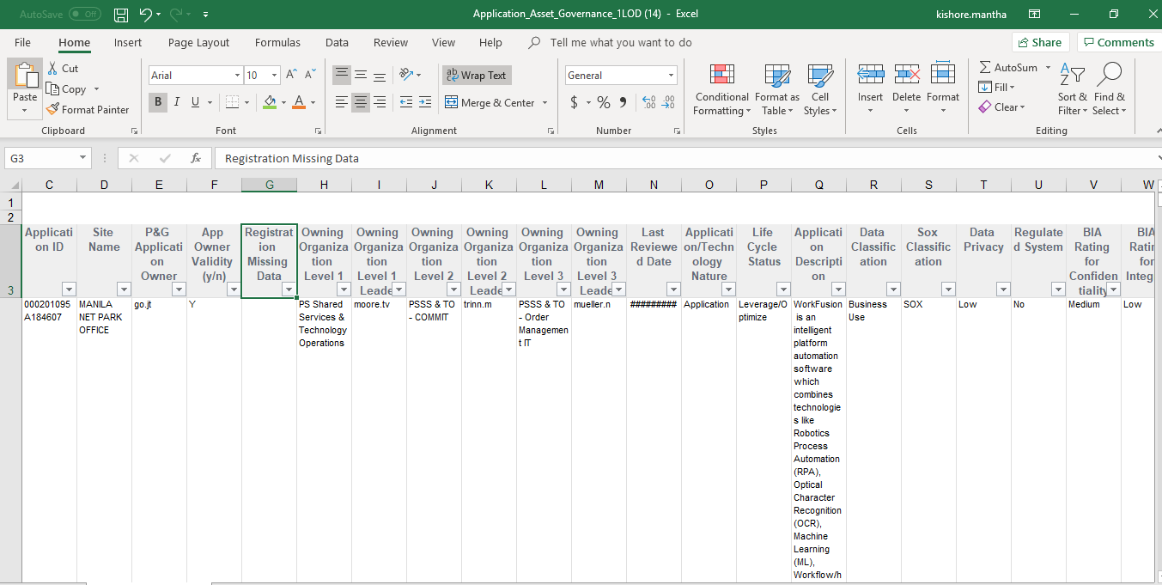
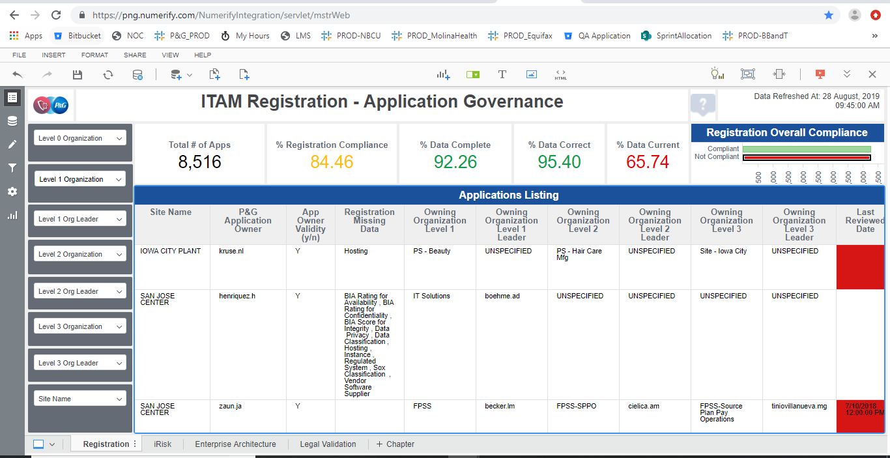
INDEX

TC_No | Test Case | Test Description | Expected Result | Actual Result | Result | Defect JIRA # | Comments
1 | INC-1752 | P&G : Application instance issue | Instance should be fixed as per the updated logic | Instance should is working as per the updated logic | Pass

 |  | User Reported ID
 |  | App Hex ID: 39723A8654190AFC
 |  | UAT Instance |  | Prod Instance

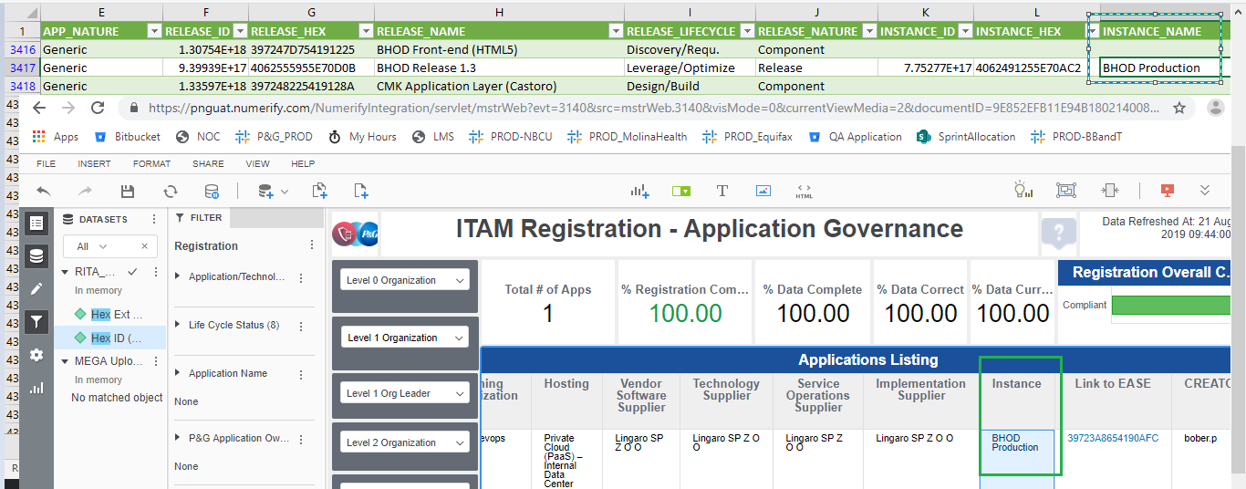
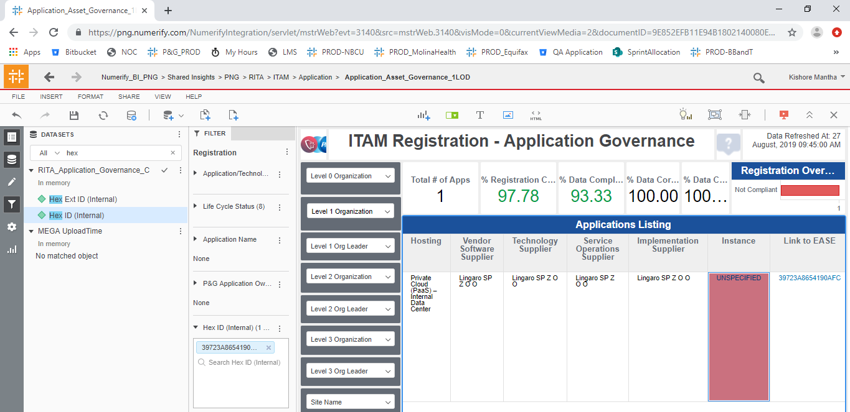

 |  | Regression Sample ID's

 |  | APP Hex ID: 001F2FE15C308765 |  | App hex ID: 016E133D5A8C6323
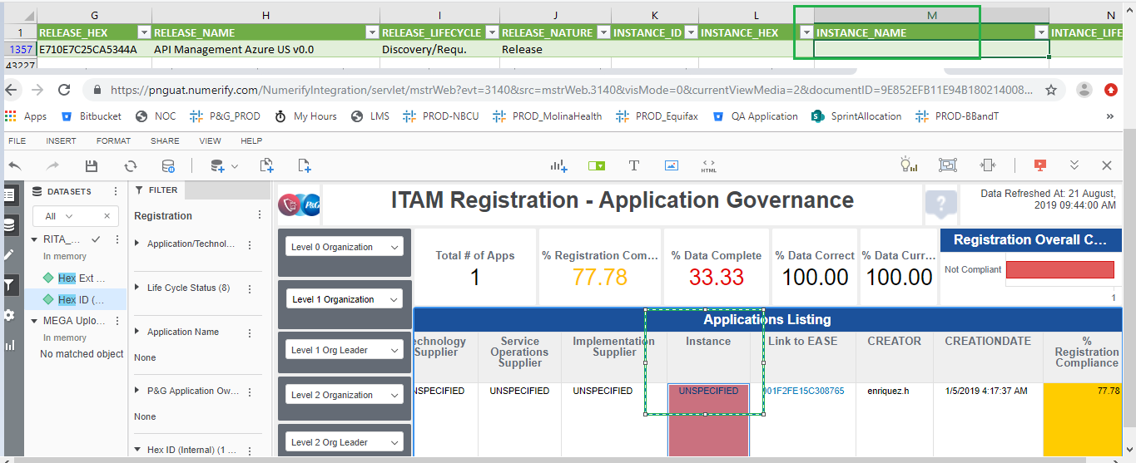
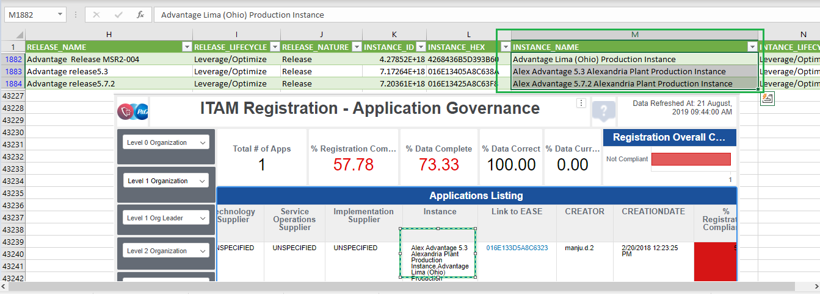

 |  | DELV-18575 - BUG Validation

SELECT distinct app_hex,SOURCEINSTANCE, GROUP_CONCAT(distinct COALESCE(RELEASE_NAME,'UNSPECIFIED') order by DB_NAME) as RELEASE_NAME, GROUP_CONCAT(distinct COALESCE(RELEASE_NATURE,'UNSPECIFIED') order by DB_NAME) as RELEASE_NATURE, GROUP_CONCAT(distinct COALESCE(INSTANCE_NAME,'UNSPECIFIED') ORDER BY DB_NAME) AS INSTANCE_NAME FROM png_mdsdb.pg_mega_snv_app_hierarchy_final where app_hex is not null AND cdctype='X' AND (RELEASE_NATURE='instance' OR RELEASE_NATURE='release') group by app_hex,SOURCEINSTANCE; |  |  |  | Select a.row_id,a.instance_name_c FROM png_mdwdb.d_rita_application_ext_c a where a.row_id IN ('022C05A059243BA3','0DF60F7F592E3F7C','08EC094B5D4865DB');

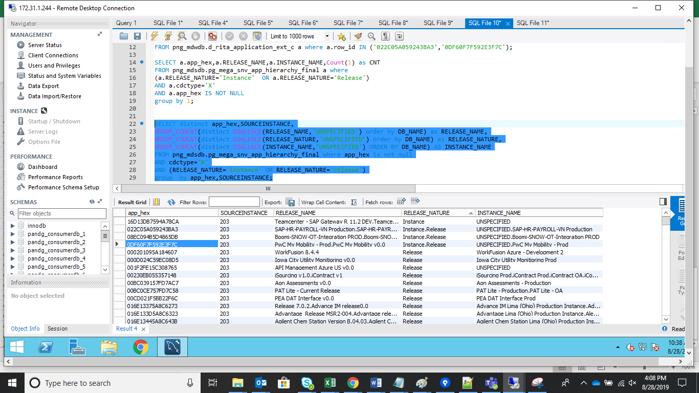

 |  |  | Another issue has also been addressed
Select a.row_id,a.instance_name_c FROM ldb.d_rita_application_ext_c a where a.row_id IN ('030023B449821C99');

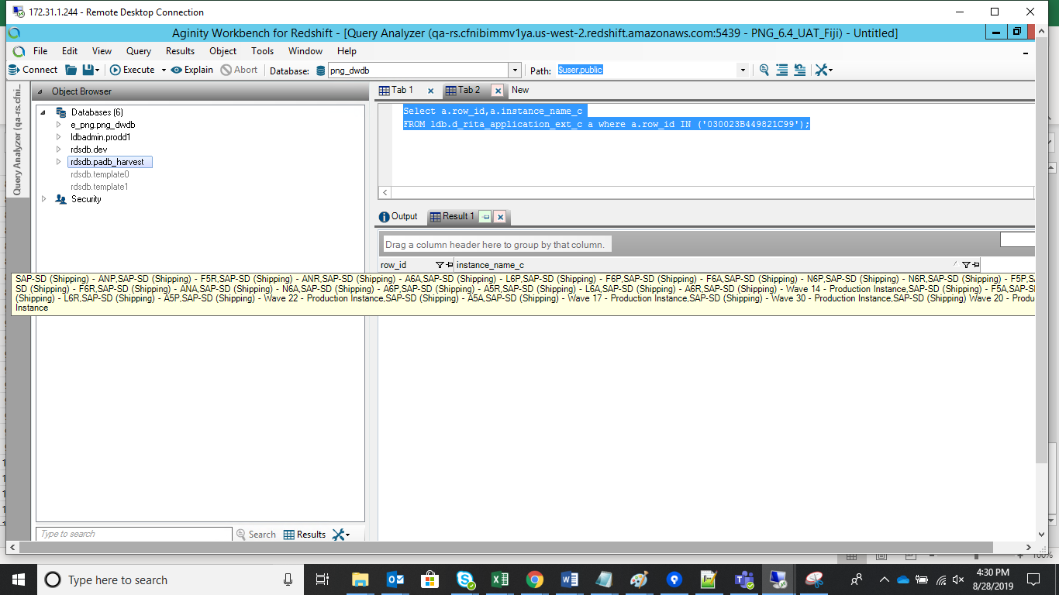
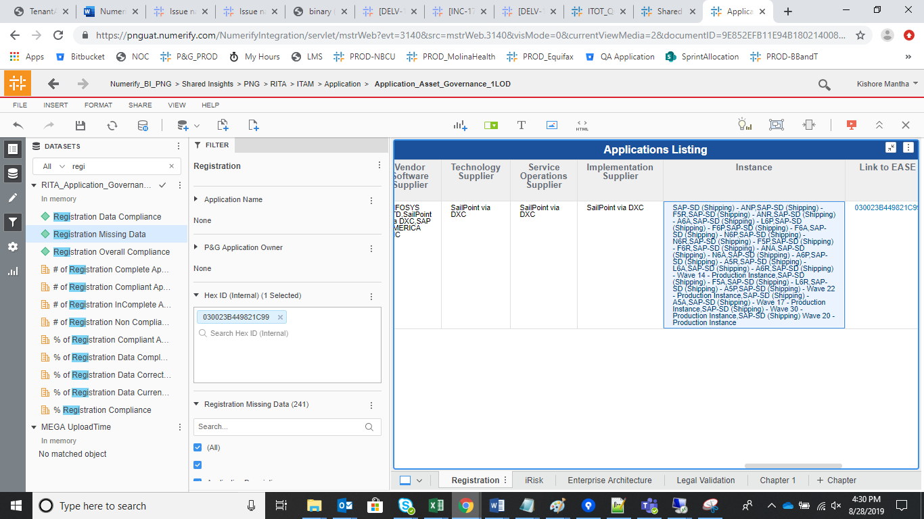
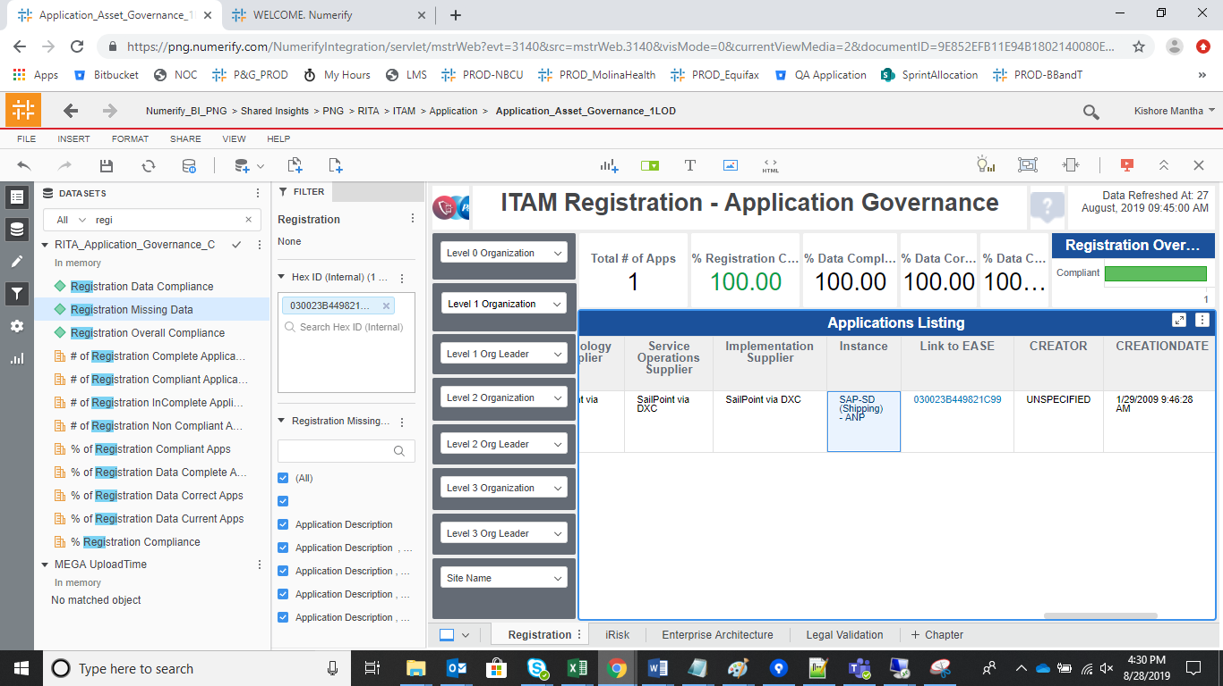

 |  | PROD Validations

 |  | 39723A8654190AFC |  | 030023B449821C99
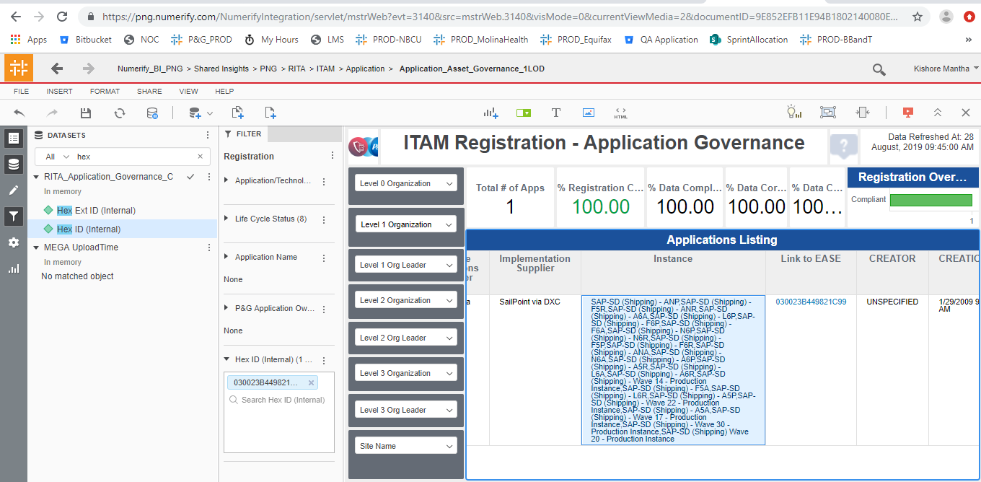
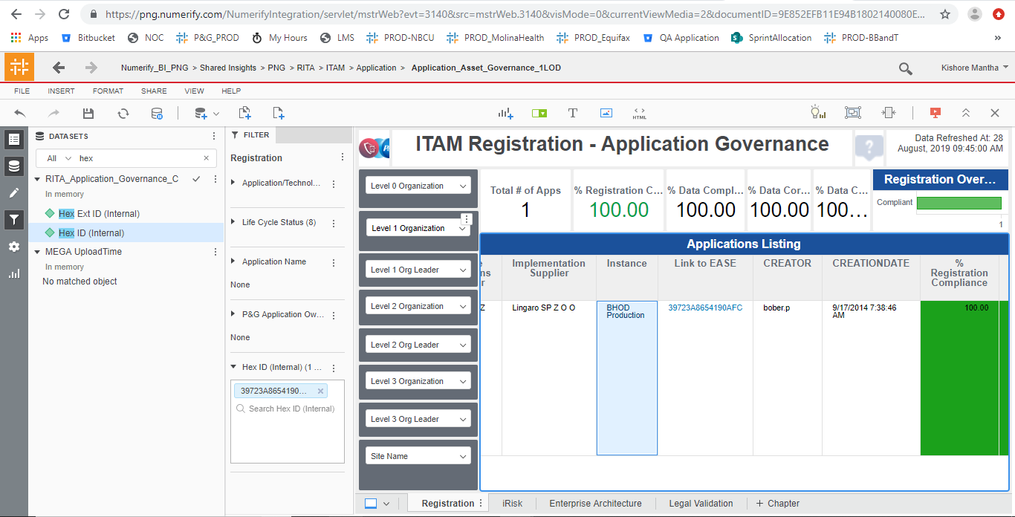

 |  | Registration Missing Data is Not NULL |  | Registration Missing Data is NULL

